Cylindrical Shell
AS 1210 Pressure Vessel Calculation Worksheet
KASA Redberg Pty Ltd
Issue A October 2021

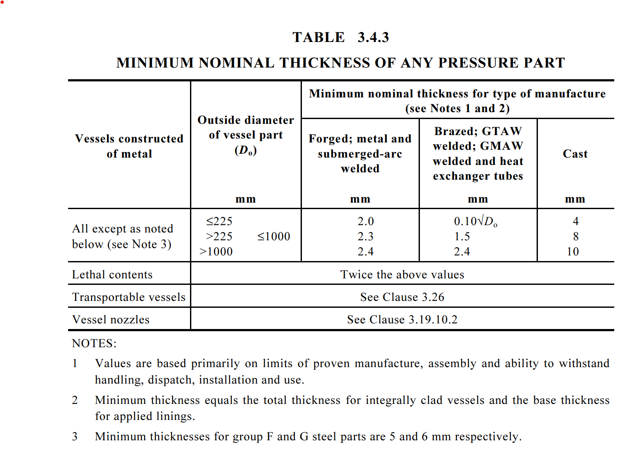
 |  |  |  | User inputs
 | SHELL |  |  | Calculated values
 | Given data and user inputs:
 | Cylindrical shell material | AS 1548 5-490NH
 | AS 1210 Material Group | A2
 | Fluid type | Harmful liquid
 | AS 4343 Hazard level |  | Refer to KASA Redberg AS 4343 Hazard Level spreadsheet calculator
 | Method of manufacture | GMAW
 | Outside diameter, Do (mm) | 2000
 | Maximum depth of fluid, h (mm) | 1700
 | Density of fluid, ρ (kg/m3) | 1200
 | Design temperature, T (°C) | 400
 | Vapour pressure of fluid, Pvap (MPa.g) | 3.00
 | Design tensile strength @ design temp., f (MPa) | 110.00 | Refer to AS 1210 Table B1(A) ot Table B1(B) depending upon vessel class
 | Vessel orientation | Horizontal
 | Combined loading considerations required (Yes/No)? | No
 | Corrosion allowance, c (mm) | 3.0
 | Weld joint efficiency - longitudinal, ηlong | 1.00 | Refer to AS 1210 Fig. 3.5.1.1 and Table 3.5.1.7
 | Weld joint efficiency - circumferential, ηcir | 0.80 | Refer to AS 1210 Fig. 3.5.1.1 and Table 3.5.1.7
 | Minimum allowable nominal thickness | 2.4 | Refer to AS 1210 Table 3.4.3. The calculated thickness must be greater than this value.

 | Calculated values:
 | Hydrostatic fluid pressure, Pstatic (MPa.g) | 0.020 | Based on height of liquid in the vessel
 | Calculation pressure, P (MPa.g) | 3.020 | Refer to AS 1210 Cl. 3.2.1 (i.e. static pressure plus vapour pressure)
 | Min. calculated pressure thickness (exclusive of allowances), t (mm) | 27.08 | Refer to AS 1210 Cl. 3.7.3 Eqn. 3.7.3.(1)
 | Actual thickness (i.e. nom. Thickness less allowances), T (mm) | 30.08 | T = t +c
 | Is Actual Thickness ≥ Min. Allowable Nominal Thickness? | Yes | Table 3.4.3 of AS 1210 governs the minimum allowable thickness for a pressure part
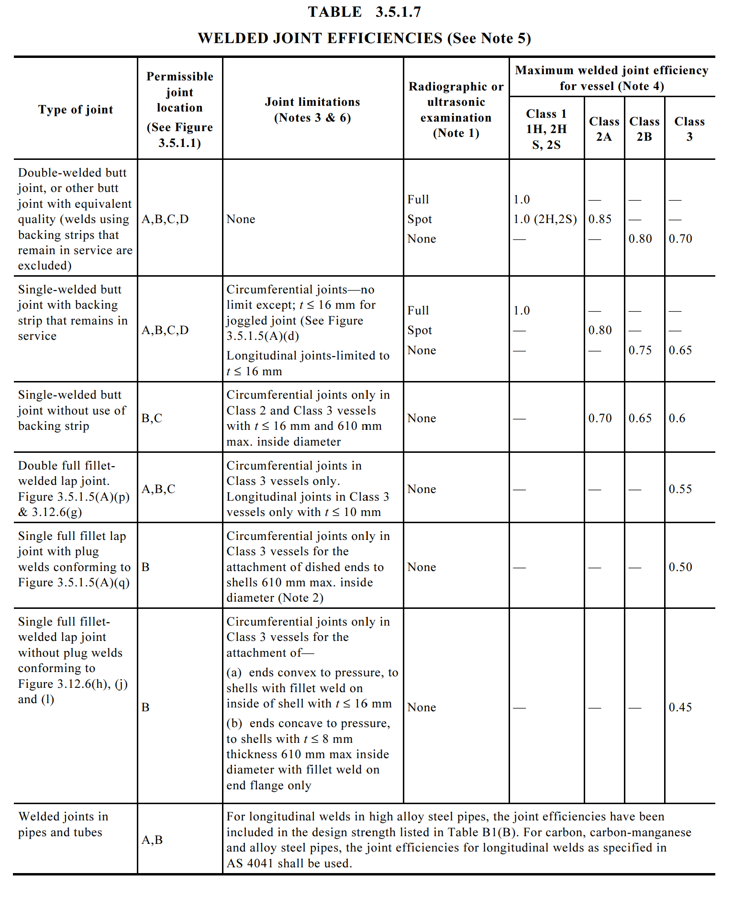
 | Mill under-run tolerance on plate (mm) | 2.0 | Refer to the relevant Australian or international standard for plate manufacture
 | Minimum specified plate thickness (mm) | 32.08 | This is the minimum nominal thickness of steel plate needed for the shell

