Pressure Vessel - Stored Energy
CALCULATION: STORED ENERGY IN A PRESSURE VESSEL

Purpose: The purpose of this spreadsheet calculator is to calculate the stored energy in a pressure vessel and express that stored energy in kilojoules as well as "TNT Equivalent Energy". By using the "TNT Equivalent Energy", it can be seen whether or not failure of the pressure vessel will result in a shock wave which could cause significant injury, loss of life or property damage as opposed to a "loss of containment" only. - The stored energy for gases and vapours has been determined by assuming isentropic expansion if/when the vessel ruptures. The stored energy for liquids relies on the liquid's bulk modulus. - This calculator excludes (explosive/combustion) effects due to chemical reaction. - Tables 1, 2 and 3 provide useful reference data which is either embedded in the calculated cells (e.g. TNT energy) or can be used as a user input in the relevant yellow coloured cells.

Table 1 |  |  |  |  | Table 2 |  | Indicates a calculated value
Specific Heats of Various Gases and Vapours (@ 20°C and 1.0 atm) |  |  |  |  | Bulk Modulus for Various Liquids |  | Indicates a a user input

Fluid | Cp (kJ/kgK) | Cv (kJ/kgK) | Ratio k |  | Fluid | K (GPa)
Acetylene | 1.69 | 1.37 | 1.23 |  | Acetone | 0.92
Air | 1.00 | 0.72 | 1.39 |  | Benzene | 1.05
Ammonia | 2.19 | 1.66 | 1.32 |  | Ethyl Alcohol | 1.06
Argon | 0.52 | 0.31 | 1.67 |  | Gasoline | 1.30
Benzene | 1.09 | 0.99 | 1.10 |  | Glycerin | 4.35
Butane | 1.67 | 1.53 | 1.09 |  | ISO 32 Mineral Oil | 1.80
Carbon Dioxide | 0.84 | 0.66 | 1.29 |  | Kerosene | 1.30
Chlorine | 0.48 | 0.36 | 1.33 |  | Paraffin Oil | 1.66
Ethylene | 1.53 | 1.23 | 1.24 |  | Petrol | 1.30
Helium | 5.19 | 3.12 | 1.66 |  | SAE 30 Oil | 1.50
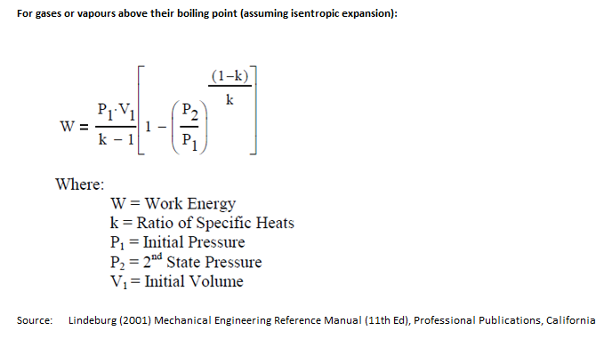
Hydrogen | 14.32 | 10.16 | 1.41 |  | Seawater | 2.34
Nitrogen | 1.04 | 0.74 | 1.40 |  | Sulfuric Acid | 3.00
Oxygen | 0.92 | 0.66 | 1.39 |  | Water | 2.15
Propane | 1.67 | 1.48 | 1.13 |  | Water - Glycol | 3.40
Sulfur Dioxide | 0.64 | 0.51 | 1.25 |  | Water in Oil Emulsion | 2.30

Table 3: TNT Equivalent Energy

1 gram of TNT | 4184 | kJ
1 kg of TNT | 4184000 | kJ | Note: 1 kg can destroy a small vehicle

Stored Energy in a Pressure Vessel - Gases and Vapours
Fluid: | Sulfur Dioxide
Gauge Pressure, P (MPa): | 2.412
Volume, V (L): | 1000
Raw Value of P x V (MPaL): | 2412
Initial Pressure, P1 (MPa): | 0.1013 |  | Note: Barometric pressure
Final Pressure, P2 (MPa): | 2.513 |  | Note: Gauge + Barometric
Specific Heat Ratio, k: | 1.25 |  | Ref: Table 1
Stored Energy, W (kJ): | 4533 |  | 3343198 | ft.lb
TNT Equivalent (kg): | 0.001
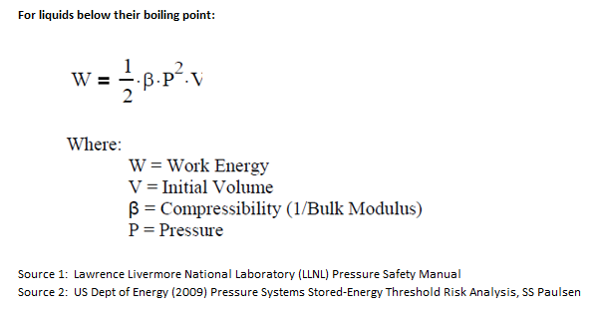
Stored Energy in a Pressure Vessel - Liquids
Fluid: | Water
Pressure, P (MPa): | 2.412
Volume, V (L): | 1000
Raw Value of P x V (MPaL): | 2411.5
Liquid Bulk Modulus, K (GPa): | 2.15 |  | Ref: Table 2
Stored Energy, W (kJ): | 1.352 |  | 997 | ft.lb
TNT Equivalent (kg): | 0.000

